OPS SMARTWATCH
IMG | SKU | DESCRIZIONE | EAN | CHIAMATA | STOCK | PREZZO RETAIL | PRICE
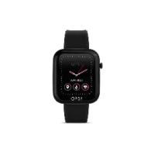 | OPSSW-02 | OPS!SMART ACTIVE_ Black case and Black strap | 8056999585303 | no | 27 | 69.00 € | 24.00 €
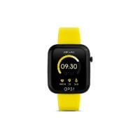 | OPSSW-06 | OPS!SMART ACTIVE_Black case and Yellow strap | 8056999585341 | no | 8 | 69.00 € | 24.00 €
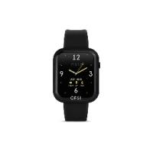 | OPSSW-09 | OPS!SMART CALL_Black case + black metal frame + Black strap | 8056999585372 | si | 54 | 99.00 € | 33.00 €
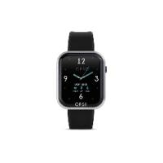 | OPSSW-10 | OPS!SMART CALL_Black case + silver metal frame + Black strap | 8056999585389 | si | 422 | 99.00 € | 33.00 €
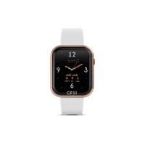 | OPSSW-11 | OPS!SMART CALL_Whitecase + Rose gold metal frame + White strap | 8056999585396 | si | 548 | 99.00 € | 33.00 €
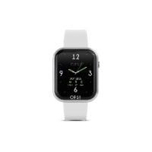 | OPSSW-12 | OPS!SMART CALL_Whitecase + Silver metal frame + White strap | 8056999585402 | si | 536 | 99.00 € | 33.00 €
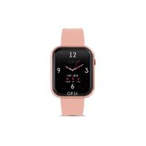 | OPSSW-13 | OPS!SMART CALL_Black case + Pink metal frame + Light pink strap | 8056999585419 | si | 243 | 99.00 € | 33.00 €
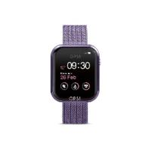 | OPSSW-18 | OPS!SMART CALL_White case + lilac metal frame + lilac mesh band | 8056999588342 | si | 102 | 109.00 € | 36.00 €
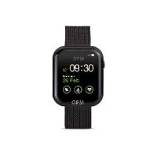 | OPSSW-19 | OPS!SMART CALL_Black case + black metal frame + black mesh band | 8056999588359 | si | 12 | 109.00 € | 36.00 €
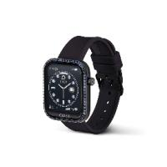 | OPSSW-37 | OPS! SMARTWATCH CALL DIAMONDS ghiera alluminio cristalli blu capri + cint. nero | 8057587280600 | si | 230 | 109.00 € | 36.00 €
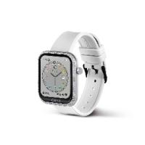 | OPSSW-39 | OPS! SMARTWATCH CALL DIAMONDS ghiera alluminio cristalli bianchi + cint. bianco | 8057587280624 | si | 525 | 109.00 € | 36.00 €
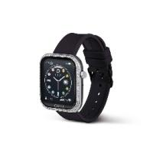 | OPSSW-40 | OPS! SMARTWATCH CALL DIAMONDS ghiera alluminio cristalli bianchi + cint. nero | 8057587280631 | si | 337 | 109.00 € | 36.00 €
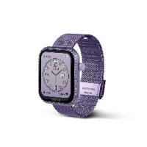 | OPSSW-42 | OPS! SMARTWATCH CALL DIAMONDS ghiera alluminio cristalli lilla+cint.Milano lilla | 8057587280655 | si | 90 | 119.00 € | 39.00 €
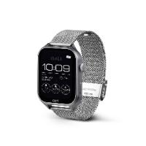 | OPSSW-44 | OPS!SMART CALL MAX AMOLED cassa silver, cint. silver mesh | 8057587283212 | si | 134 | 119.00 € | 39.00 €
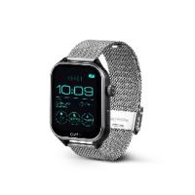 | OPSSW-45 | OPS!SMART CALL MAX AMOLED cassa nera, cint. silver mesh | 8057587283229 | si | 217 | 119.00 € | 39.00 €
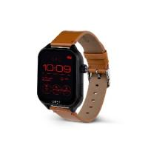 | OPSSW-46 | OPS!SMART CALL MAX AMOLED cassa nera, cint. pelle marrone chiaro | 8057587283236 | si | 237 | 109.00 € | 36.00 €
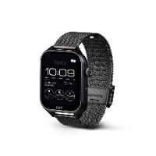 | OPSSW-47 | OPS!SMART CALL MAX AMOLED cassa nera, cint. nero mesh | 8057587283243 | si | 88 | 119.00 € | 39.00 €
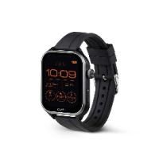 | OPSSW-48 | OPS!SMART CALL MAX AMOLED cassa nera, cint. silicone nero | 8057587283250 | si | 195 | 109.00 € | 36.00 €
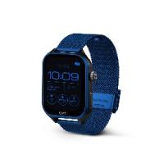 | OPSSW-49 | OPS!SMART CALL MAX AMOLED cassa nera, cint. blu mesh | 8057587283267 | si | 358 | 119.00 € | 39.00 €
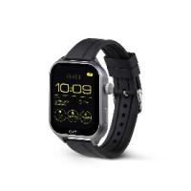 | OPSSW-50 | OPS!SMART CALL MAX AMOLED cassa silver, cint. silicone nero | 8057587283274 | si | 172 | 109.00 € | 36.00 €
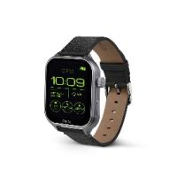 | OPSSW-51 | OPS!SMART CALL MAX AMOLED cassa silver, cint. pelle nero | 8057587283298 | si | 295 | 109.00 € | 36.00 €
 |  |  |  |  | 4830

